Small Value
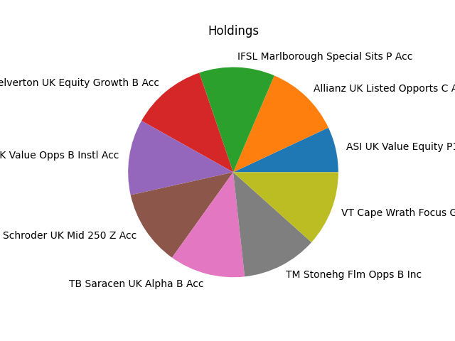
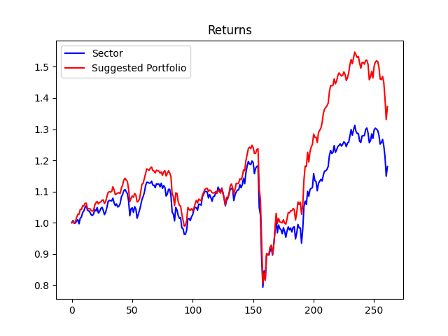
Strategy | Weight
Allianz UK Listed Opports C Acc GBP | 10.0%
ASI UK Value Equity P1 Acc | 6.0%
IFSL Marlborough Special Sits P Acc | 10.0%
MI Chelverton UK Equity Growth B Acc | 10.0%
Premier Miton UK Value Opps B Instl Acc | 10.0%
Schroder UK Mid 250 Z Acc | 10.0%
TB Saracen UK Alpha B Acc | 10.0%
TM Stonehg Flm Opps B Inc | 10.0%
VT Cape Wrath Focus GBP A Net Acc | 10.0%

Small Core
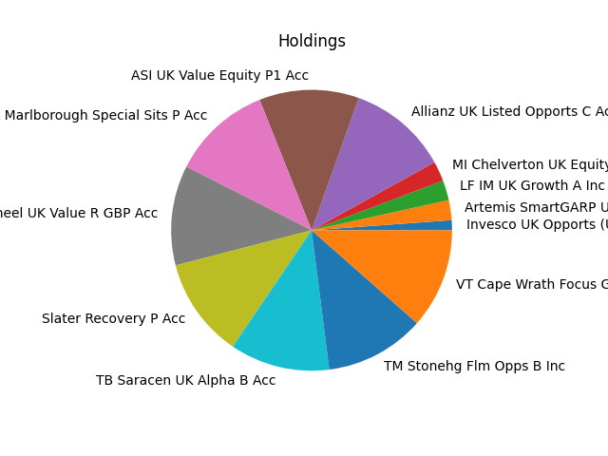
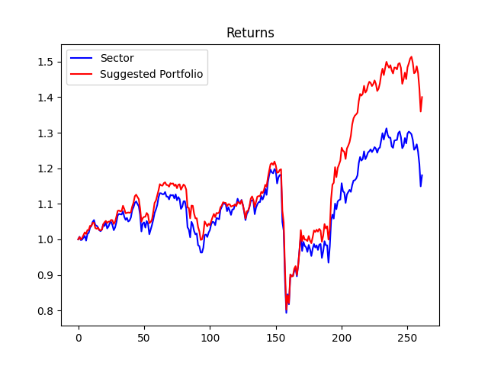
Strategy | Weight
Allianz UK Listed Opports C Acc GBP | 10.0%
Artemis SmartGARP UK Eq Fd I Acc GBP | 2.0%
ASI UK Value Equity P1 Acc | 10.0%
IFSL Marlborough Special Sits P Acc | 10.0%
Invesco UK Opports (UK) Z (Acc) | 1.0%
LF IM UK Growth A Inc | 2.0%
MI Chelverton UK Equity Growth B Acc | 2.0%
Redwheel UK Value R GBP Acc | 10.0%
Slater Recovery P Acc | 10.0%
TB Saracen UK Alpha B Acc | 10.0%
TM Stonehg Flm Opps B Inc | 10.0%
VT Cape Wrath Focus GBP A Net Acc | 10.0%

Small Growth
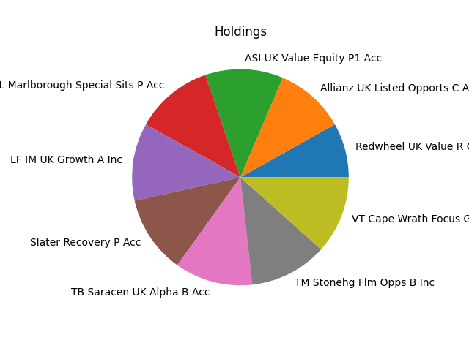
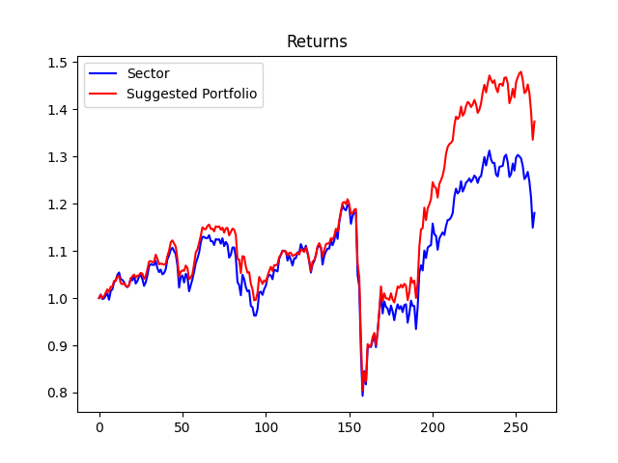
Strategy | Weight
Allianz UK Listed Opports C Acc GBP | 9.0%
ASI UK Value Equity P1 Acc | 10.0%
IFSL Marlborough Special Sits P Acc | 10.0%
LF IM UK Growth A Inc | 10.0%
Redwheel UK Value R GBP Acc | 7.000000000000001%
Slater Recovery P Acc | 10.0%
TB Saracen UK Alpha B Acc | 10.0%
TM Stonehg Flm Opps B Inc | 10.0%
VT Cape Wrath Focus GBP A Net Acc | 10.0%

Mid Value
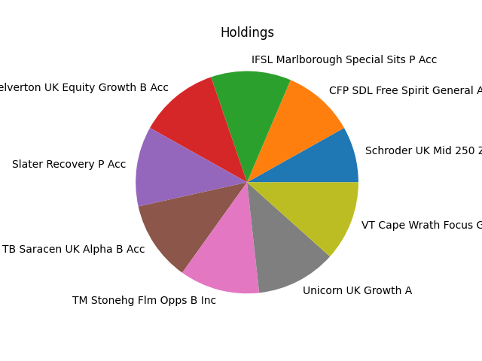
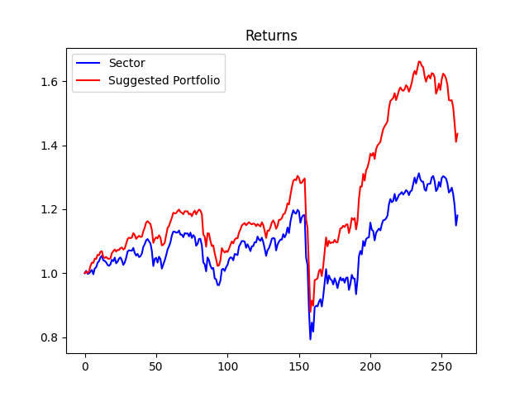
Strategy | Weight
CFP SDL Free Spirit General Acc | 9.0%
IFSL Marlborough Special Sits P Acc | 10.0%
MI Chelverton UK Equity Growth B Acc | 10.0%
Schroder UK Mid 250 Z Acc | 7.000000000000001%
Slater Recovery P Acc | 10.0%
TB Saracen UK Alpha B Acc | 10.0%
TM Stonehg Flm Opps B Inc | 10.0%
Unicorn UK Growth A | 10.0%
VT Cape Wrath Focus GBP A Net Acc | 10.0%

Mid Balanced
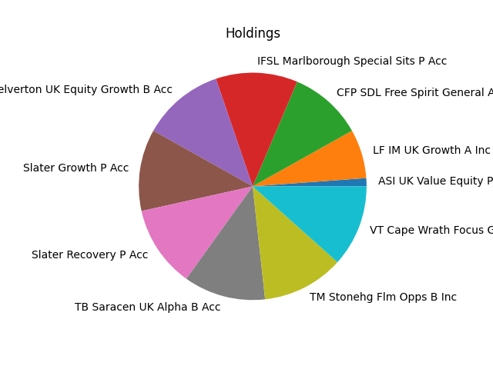
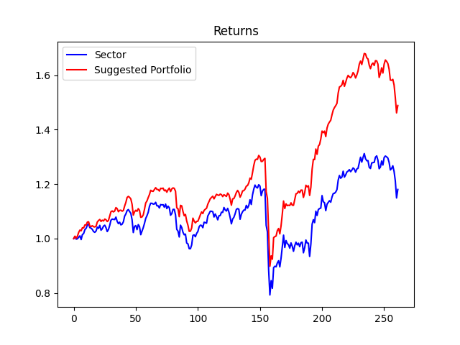
Strategy | Weight
ASI UK Value Equity P1 Acc | 1.0%
CFP SDL Free Spirit General Acc | 9.0%
IFSL Marlborough Special Sits P Acc | 10.0%
LF IM UK Growth A Inc | 6.0%
MI Chelverton UK Equity Growth B Acc | 10.0%
Slater Growth P Acc | 10.0%
Slater Recovery P Acc | 10.0%
TB Saracen UK Alpha B Acc | 10.0%
TM Stonehg Flm Opps B Inc | 10.0%
VT Cape Wrath Focus GBP A Net Acc | 10.0%

Mid Growth
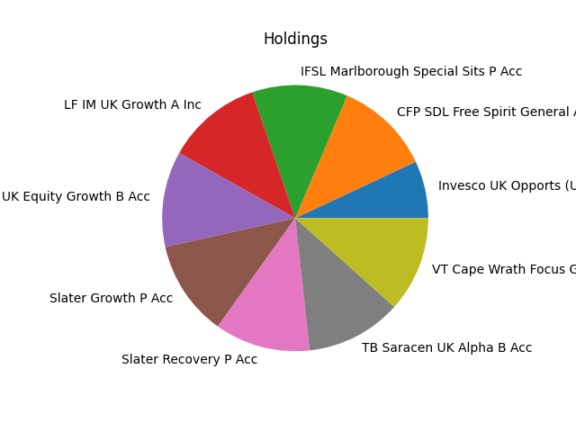

Strategy | Weight
CFP SDL Free Spirit General Acc | 10.0%
IFSL Marlborough Special Sits P Acc | 10.0%
Invesco UK Opports (UK) Z (Acc) | 6.0%
LF IM UK Growth A Inc | 10.0%
MI Chelverton UK Equity Growth B Acc | 10.0%
Slater Growth P Acc | 10.0%
Slater Recovery P Acc | 10.0%
TB Saracen UK Alpha B Acc | 10.0%
VT Cape Wrath Focus GBP A Net Acc | 10.0%

Large Value
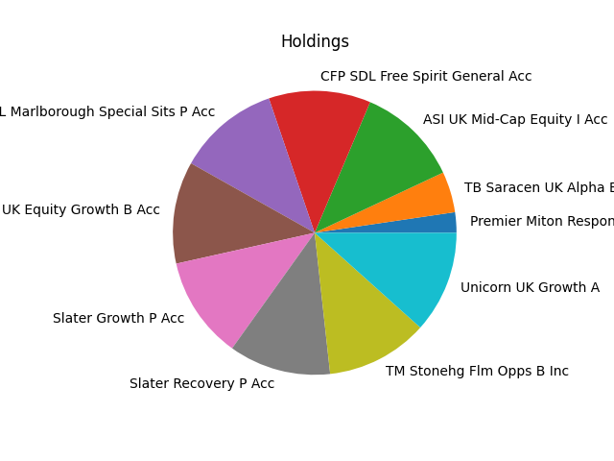
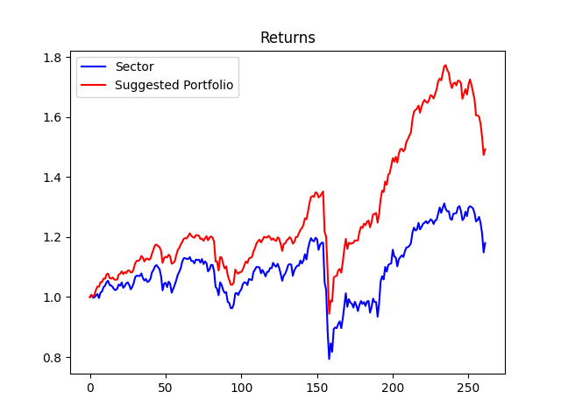
Strategy | Weight
ASI UK Mid-Cap Equity I Acc | 10.0%
CFP SDL Free Spirit General Acc | 10.0%
IFSL Marlborough Special Sits P Acc | 10.0%
MI Chelverton UK Equity Growth B Acc | 10.0%
Premier Miton Responsible UK Eq C Inc | 2.0%
Slater Growth P Acc | 10.0%
Slater Recovery P Acc | 10.0%
TB Saracen UK Alpha B Acc | 4.0%
TM Stonehg Flm Opps B Inc | 10.0%
Unicorn UK Growth A | 10.0%

Large Balanced
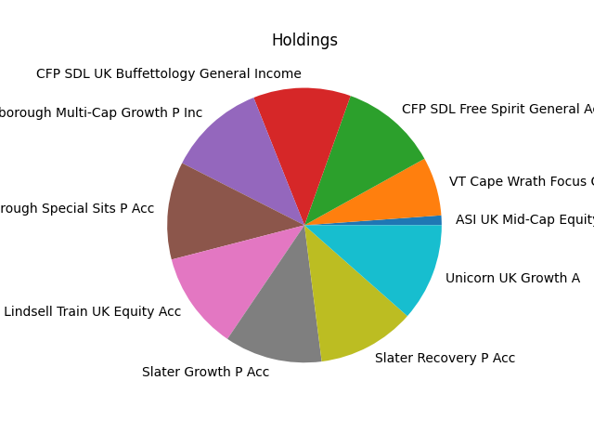
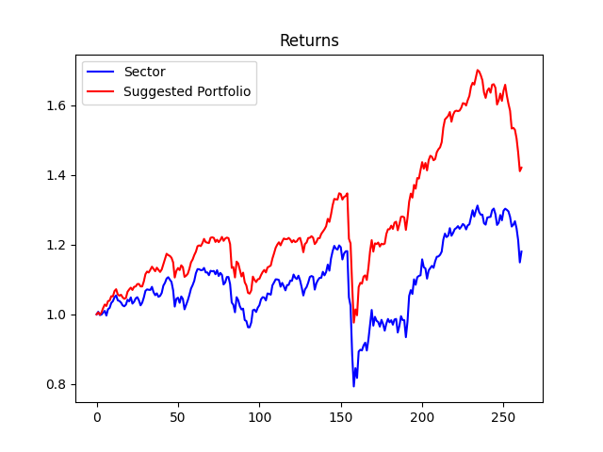
Strategy | Weight
ASI UK Mid-Cap Equity I Acc | 1.0%
CFP SDL Free Spirit General Acc | 10.0%
CFP SDL UK Buffettology General Income | 10.0%
IFSL Marlborough Multi-Cap Growth P Inc | 10.0%
IFSL Marlborough Special Sits P Acc | 10.0%
LF Lindsell Train UK Equity Acc | 10.0%
Slater Growth P Acc | 10.0%
Slater Recovery P Acc | 10.0%
Unicorn UK Growth A | 10.0%
VT Cape Wrath Focus GBP A Net Acc | 6.0%

Large Growth
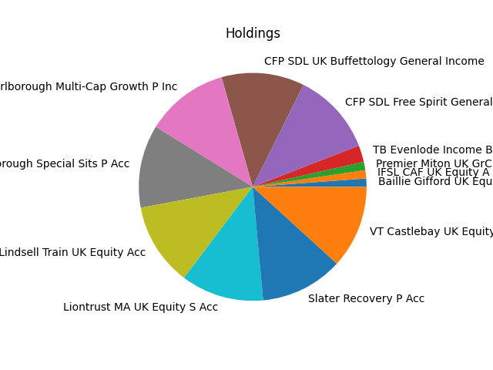
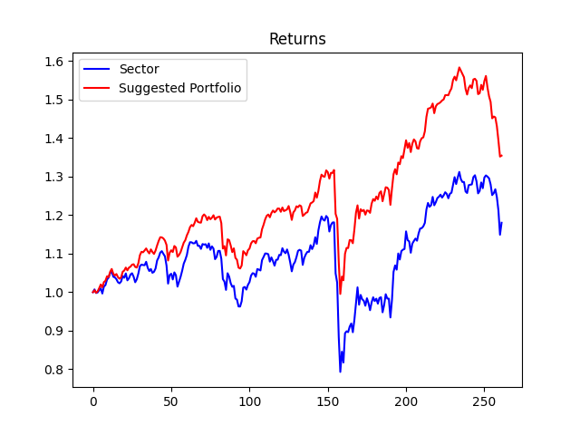
Strategy | Weight
Baillie Gifford UK Equity Alpha B Acc | 1.0%
CFP SDL Free Spirit General Acc | 10.0%
CFP SDL UK Buffettology General Income | 10.0%
IFSL CAF UK Equity A Acc | 1.0%
IFSL Marlborough Multi-Cap Growth P Inc | 10.0%
IFSL Marlborough Special Sits P Acc | 10.0%
LF Lindsell Train UK Equity Acc | 10.0%
Liontrust MA UK Equity S Acc | 10.0%
Premier Miton UK GrC Inc | 1.0%
Slater Recovery P Acc | 10.0%
TB Evenlode Income B Inc | 2.0%
VT Castlebay UK Equity A Accumulation | 10.0%

Portfolio Comparison
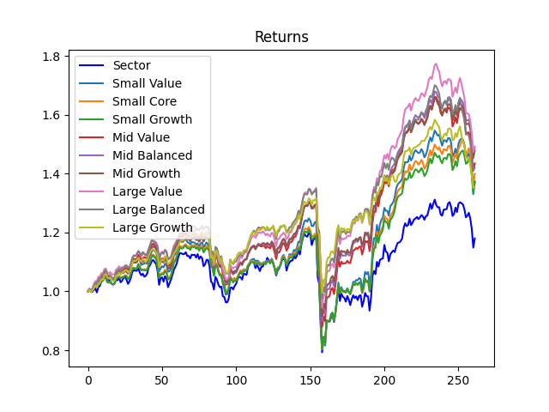
Investment Style | Total Return
Small Value | 1.37%
Small Core | 1.4%
Small Growth | 1.37%
Mid Value | 1.44%
Mid Balanced | 1.49%
Mid Growth | 1.48%
Large Value | 1.49%
Large Balanced | 1.42%
Large Growth | 1.35%

